Sayfa1
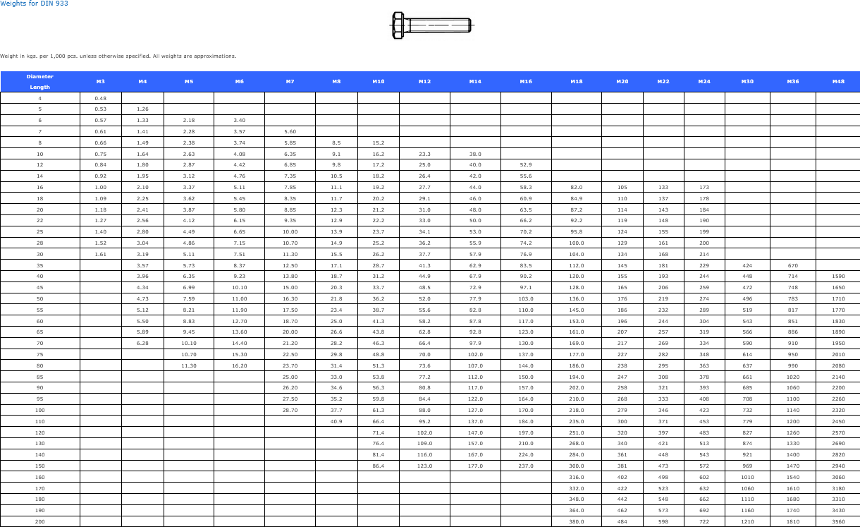
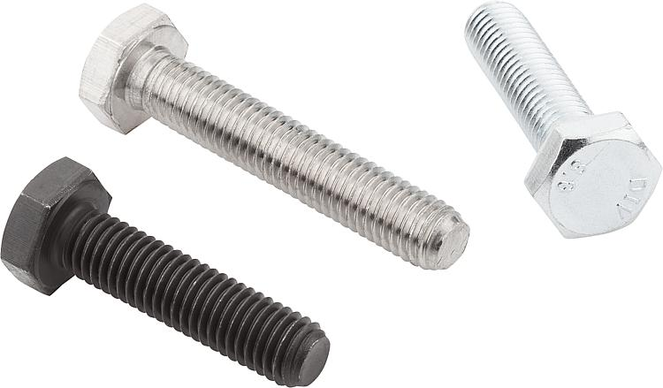
DIN 933 ISO 4017 HEXAGON HEAD BOLTS WITH FULL THREADS

DIN 933 ISO 4017 UNI 5739 hexagon head bolts with full threads is used in fastening components where full thread engagement is needed,sheet metal assemblies,light and medium-duty machinery

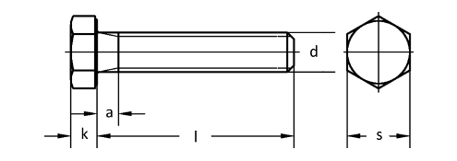

Quality
Steel: 8.8,10.9,12.9
Stainless Steel:A2,A4
Thread:6g

Coatings

Whether you need Zinc plating, PTFE coatings, or any other surface treatment, we've got you covered.
Such as: Zinc plating, Zinc-Nickel plating, Zinc-Flake coatings like Geomet, Dörken, Magni, Corundum, PTFE coatings like Xylan, Xylar, Lubo lubrication, Hot dip galvanising, HDG, Sherardising, Passivating, Antifricor, Powdercoating, Mechanical Zinc, Zinc-Iron... etc.
And the best part? We offer competitive prices and have a variety of options in stock, ready to meet your demand.

Make A gallery for coated bolts

Weight Chart

